DFDs
Context Diagram
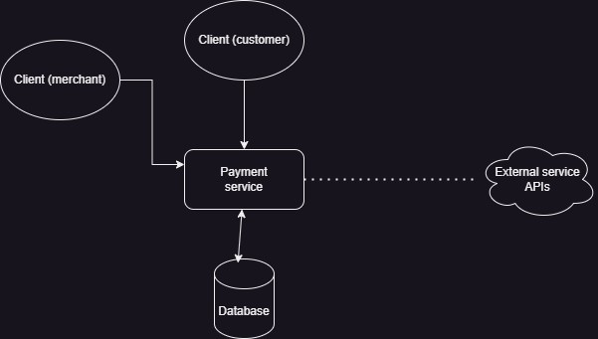

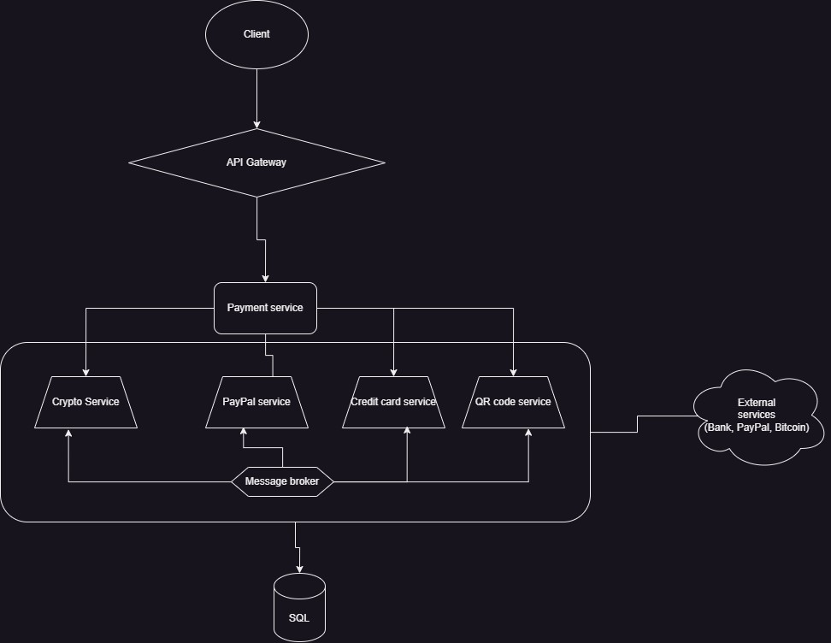
Level 1

Level 2 - SS Request Handler

